Sheet1
 |  |  |  |  |  |  |  |  |  |  | Raspberry Pi Pico W - Connection with Battery Charger |  | Motor Driver Wire Diagram
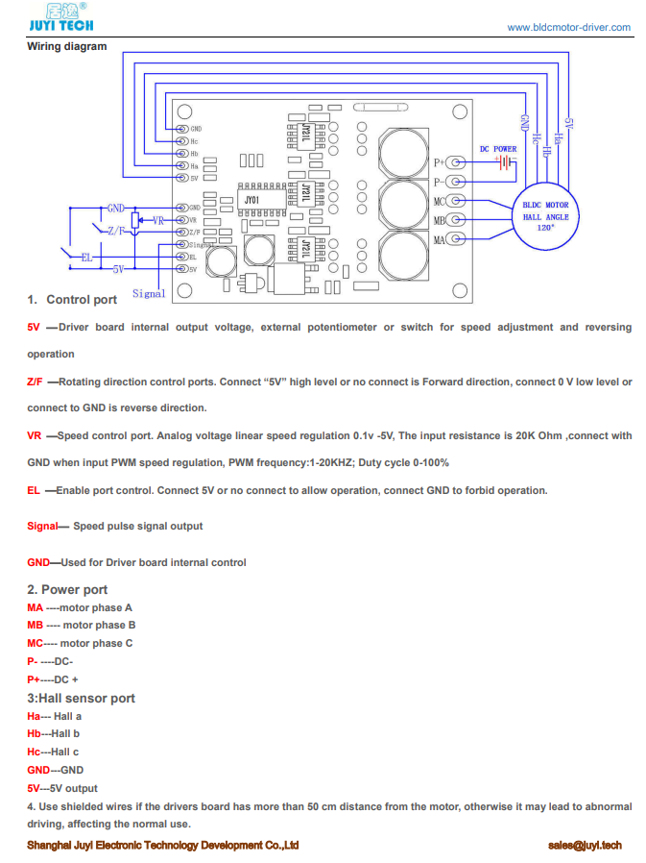

 |  |  |  |  | Quantity per Device
 |  | Component | V [V] | I [A] | P [W] | Q / D | Pcomponent [W]
 | 1 | Jetson Nano 2Gb Dev. Kit | 5 | 2 | 10 | 1 | 10
RP2040 consumes about 24mA on average, without any code running. Assume 50 mA | 2 | Rasp. Pi Pico W | 5 | 0.05 | 0.25 | 3 | 0.75
 | 3 | HCSR - 04 | 3.3 | 0.015 | 0.0495 | 12 | 0.594
 | 4 | Brushless DC Motor Driver | 18 | 1 | 18 | 2 | 36
 | 5 | Arduino Uno | 12 | 0.2 | 2.4 | 2 | 4.8
 | 6
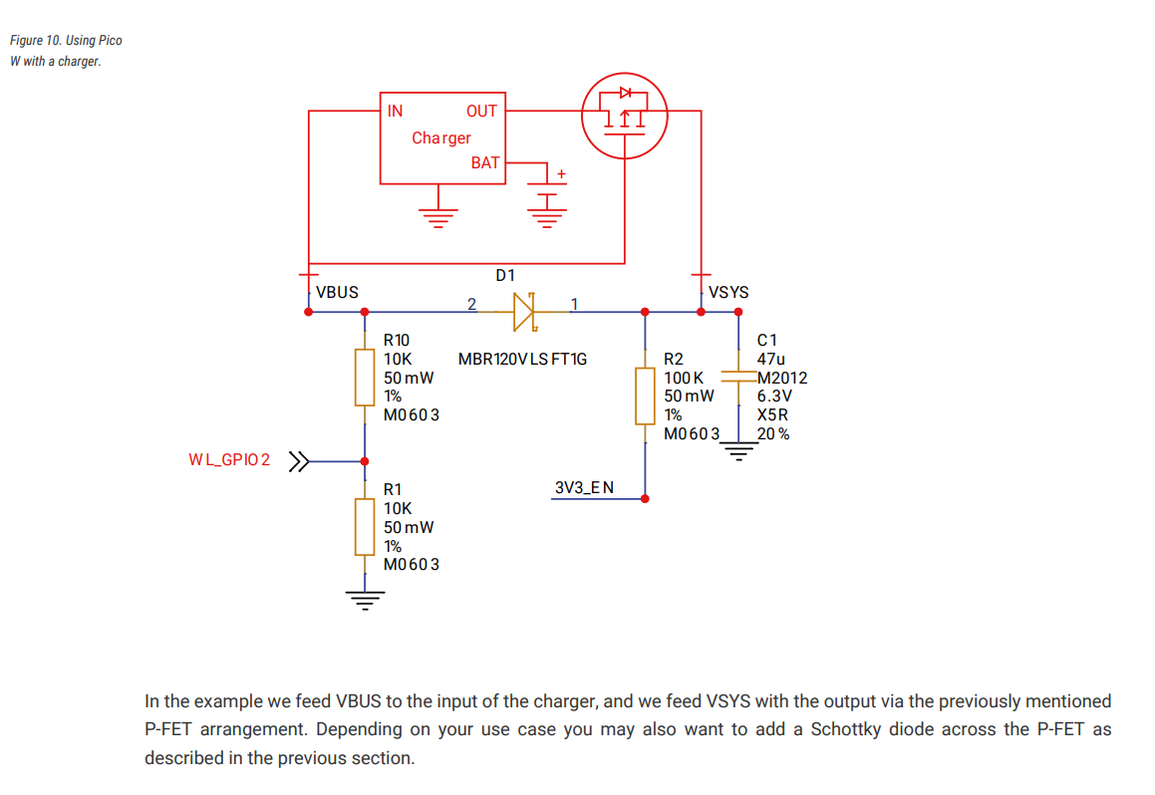
 | PSU | Makita 18V 3.0A.h | 54 [Wh] |  |  | Ptot [W] | 52.144
 |  |  |  |  |  | Time [min] | 62.135624425

 | Required Components for the Circuit
 |  |  |  |  |  |  |  | Quantity per Device
 |  | Component | Specification |  | Explanation |  |  | Buy | Q / D | Source(s)
 | 1 | Wire | 14 AWG |  | Capable of 5A power transmission - At least 3A -> %80 -> 4A Required |  |  | Yeap | 1 meter | https://www.powerstream.com/Wire_Size.htm
 | 2 | Wire Connecter | M3 - Cable to Board |  | Battery Plug has M3 connection |  |  | Yeap | 4
 | 3 | Voltage Regulator | 18V to 5V |  | Required voltage for components merge at 5V |  |  | Nope | 2
 | 4 | Wire | 24 AWG |  | 0.5A power transmission / 3.5A chassis wiring - Enough |  |  | Nope | A lot :)
 | 5 | 5x7 Pertinaks | - |  | It will be used for Raspberry Pi Pico W connections |  |  | Yeap | 3
 | 6
 | 7
Klemens Girişli DC Barrel Jak | 8 | DC Power Plug Connector | - |  | Powering Arduino Uno |  |  | Yeap | 1

 |  |  |  |  |  |  |  |  |  |  | Video:

 |  |  |  |  |  |  |  |  |  |  | Jetson Nano - Connection with Battery Charger
 |  |  |  |  |  |  |  |  |  |  | Video: | https://jetsonhacks.com/2021/07/16/nvidia-jetsons-on-battery-power/#:~:text=For%20the%20Jetson%20Nano%202GB,one%20device%20at%20a%20time.

